Sheet1
Problem: From the following data:

 | X1 | X2 | X3
 | 11 | 60 | 57
 | 10 | 67 | 55
 | 6 | 53 | 49
 | 10 | 56 | 52
 | 8 | 64 | 57
 | 9 | 57 | 48
 | 10 | 71 | 59
 | 7 | 58 | 50
 | 11 | 67 | 62
 | 8 | 57 | 51

Determine all partial correlation coefficients, multiple correlation coefficients.

Working expression:
Let us consider the data are given partially that is each are individual item data set.

 | X1 | X2 | X3
 | 11 | 60 | 57
 | 10 | 67 | 55
 | 6 | 53 | 49
 | 10 | 56 | 52
 | 8 | 64 | 57
 | 9 | 57 | 48
 | 10 | 71 | 59
 | 7 | 58 | 50
 | 11 | 67 | 62
 | 8 | 57 | 51

Excel Output
 |  | X1 | X2 | X3
 | X1 | 1
 | X2 | 0.57735026919 | 1
 | X3 | 0.68293097484 | 0.83686121928 | 1

SPSS SYNTAX::
 | PARTIAL CORR
 | /VARIABLES=x1 x2 BY x3
 | /SIGNIFICANCE=TWOTAIL
 | /STATISTICS=DESCRIPTIVES
 | /MISSING=LISTWISE.

SPSS Output
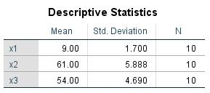

Taking x2 as controlling variable
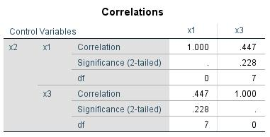

Taking x3 as controlling variable


Taking x1 as controlling variable:


Conclusion::
Therefore, in this way the partial correlation and multiple correlations are carried out using spss
and excel.

